工作表1
Method | Params (Type, Name) | Returns (Type, Name) | Return Values | Exception | Source Code | CFG (each node representing a block or statement) | Basis Paths | Test Requirements (Basis Path Coverage) | Infeasible TRs | Revised TRs | Test Cases | Memo
encodeBase32() | 1. long i 2. int length | 1. String "-" + result 2. String result | The base32 geohash | non | 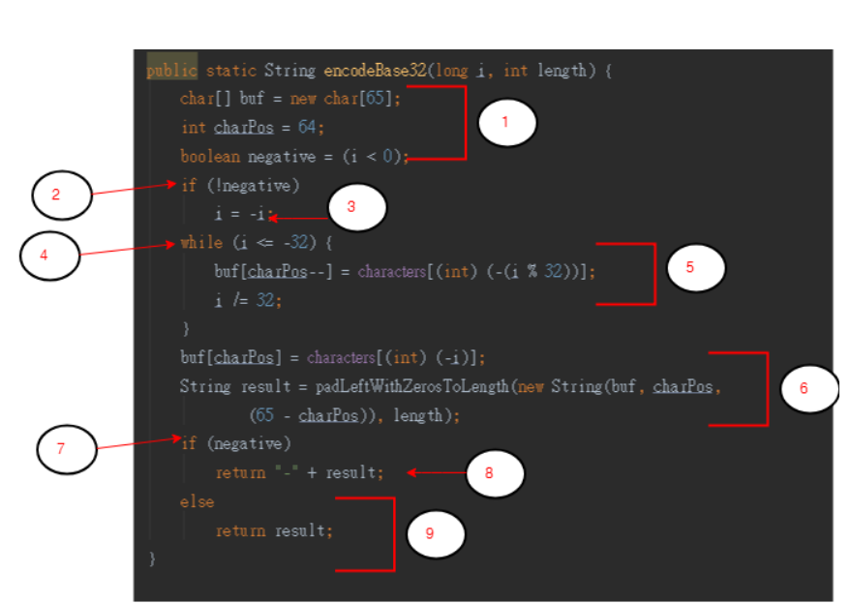 | 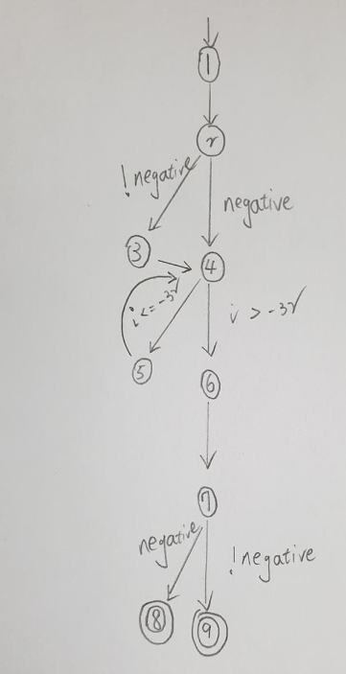 | P1: {n1,n2,n3,n4,n5,n4,n6,n7,n8} P2:{n1,n2,n4,n5,n4,n6,n7,n8} P3: {n1,n2,n4,n6,n7,n9} P4: {n1,n2,n3,n4,n5,n4,n6,n7,n9} | {P1, P2, P3,P4} | none | none | T1: {i = 32, lenth=2} T2={i = -32, lenth=2} | T1 covers {P1,P2} T2 covers {P3,P4}
decodeBase32() | String hash | String result | long representation of hash | IllegalArgumentException | 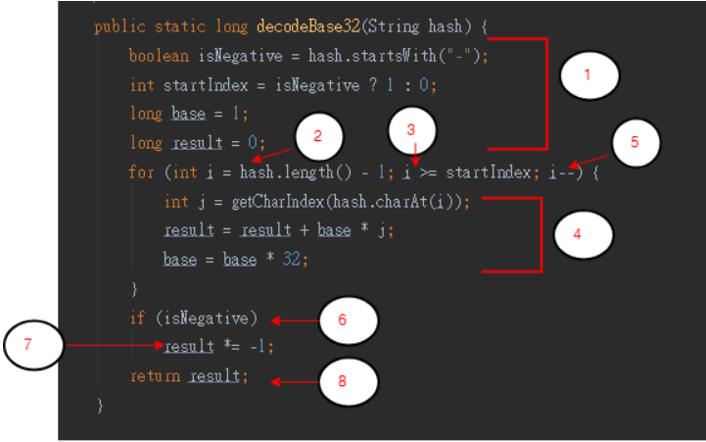 | 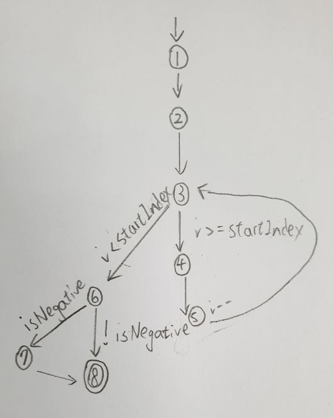 | P1: {n1,n2,n3,n4,n5,n3,n6,n7,n8} P2:{n1,n2,n3,,n6,n8} P3: {n1,n2,n3,,n6,n7,n8} | {P1, P2, P3} | none | none | T1: {hash= "-1"} T2={hash= ""} | T1 covers {P1,P3} T2 covers {P2}
adjacentHash() | 1. String hash 2. Direction direction 3. int steps | 1. String h 2. String adjacentHash(hash, direction.opposite(), Math.abs(steps)) (遞迴的回傳值) | hash at position in direction a number of hashes away (steps) | IllegalArgumentException | 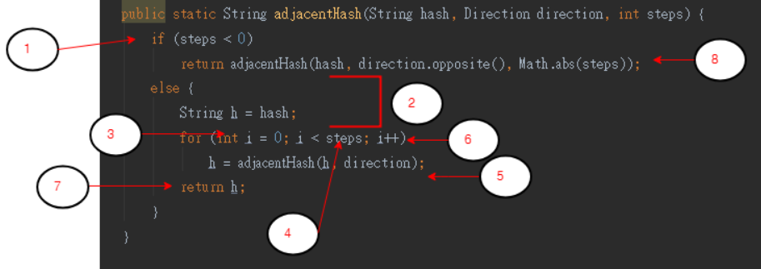 | 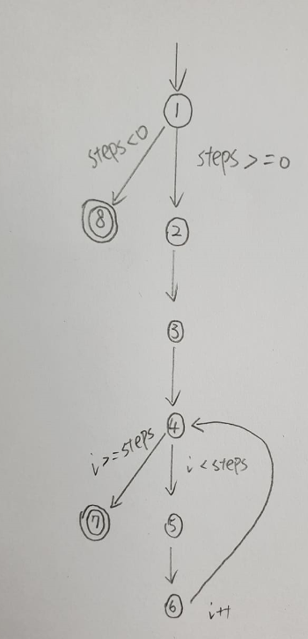 | P1: {n1,n8} P2:{n1,n2,n3,,n4,n7} P3: {n1,n2,n3,n4,n5,n6,n4,n7} | {P1, P2, P3} | none | none | T1 = { hash="TEST" direction=Direction.BOTTOM steps=7} T2 = { hash="TEST" direction=Direction.TOP steps=-7} T3 = { hash="TEST" direction=Direction.LEFT steps=0} | T1 covers {P3} T2 covers {P1} T3 covers{P2}
find() | 1. double topLeftLat 2. double topLeftLon 3.double bottomRightLat 4.double bottomRightLon 5. long start 6. long finish | Iterable<Info<T, R>> Iterables.concat(it, find(topLeftLat, topLeftLon, bottomRightLat, bottomRightLon, start, finish, hash)) | iterable | non | 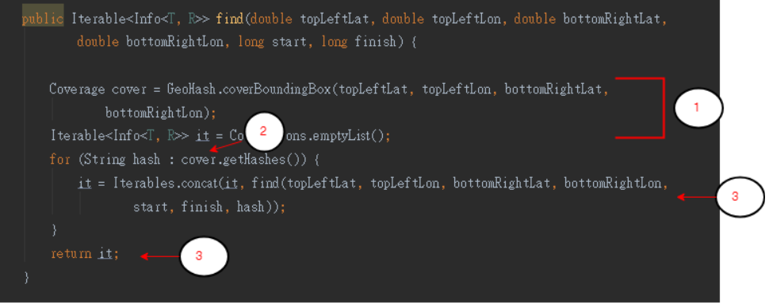 | 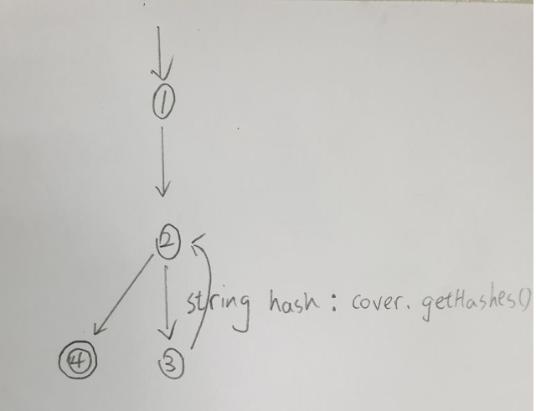 | P1: {n1,n2,n3,n2,n4} P2:{n1,n2,n4} | {P1,P2} | none | none | T1 = { topLeftLat = 5 topLeftLon=0 bottomRightLat=1 bottomRightLon=5 start=0 finish=5} (有事先進行add資料) T2 = { topLeftLat = 5 topLeftLon=0 bottomRightLat=1 bottomRightLon=5 start=0 finish=5} (沒有事先進行add資料) | T1 covers {P1} T2 covers {P2}
getCharIndex() | char ch | int result | index of ch character in characterIndexes map. | IllegalArgumentException |  | 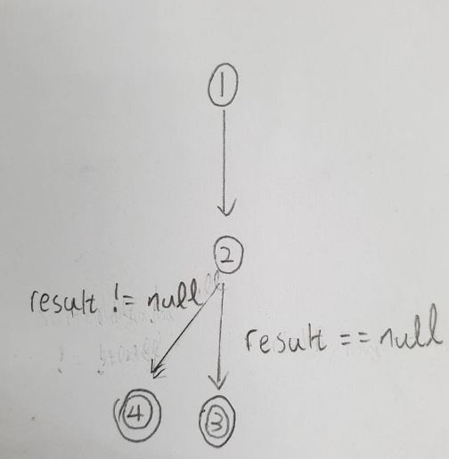 | P1: {n1,n2,n3} P2:{n1,n2,n4} | {P1,P2} | none | none | T1: {ch= 'b'} T2={ch= 'a'} | T1 covers {P2} T2 covers {P1}
fromLongToString() | long hash | String (geohash) | the string encoded geohash | IllegalArgumentException | 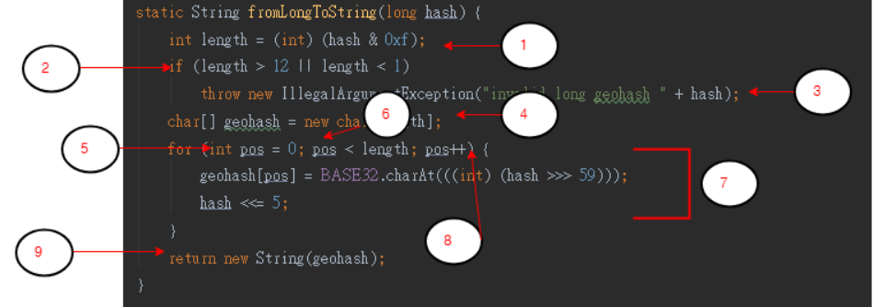 | 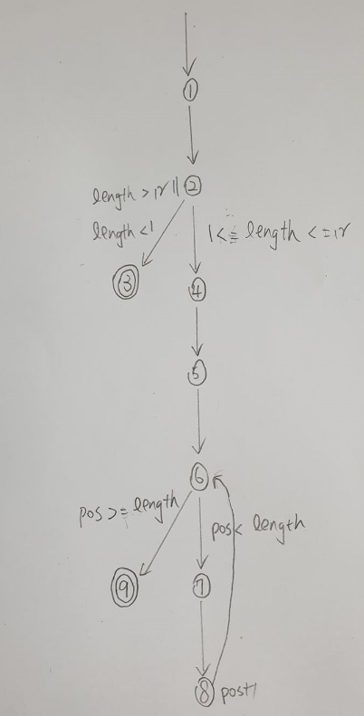 | P1: {n1,n2,n3} P2:{n1,n2,n4,n5,n6,n7,n8,n6,n9} P3:{n1,n2,n4,n5,n6,n9} | {P1, P2, P3} | none | none | T1: {hash = 13} T2={hash = 0} T3={hash = 2} | T1 covers {P1} T2 covers {P3} T3 covers{P2}

